Sheet1
Title： | Total points |  | 50 | 1 | 2 | 3 | 4 | 5 | 6 | 7 | 8 | 9 | 10 | Actual Velocity
App Interface Prototype | 3 | DONE | 1 | 0 |  |  |  |  |  |  |  |  |  | 0
User Registration & Login | 4 | DONE | 2 |  | 3 |  |  |  |  |  |  |  |  | 3
Booking a Cleaning Service | 4 |  | 3 |  |  | 9 |  |  |  |  |  |  |  | 9
Viewing Available Time Slots | 3 | DONE | 4 |  |  |  | 1 |  |  |  |  |  |  | 1
Cleaner Profile and Rating System | 2 |  | 5 |  |  |  |  | 4 |  |  |  |  |  | 4
Real-Time Chat with Cleaners | 3 | DONE | 6 |  |  |  |  |  | 7 |  |  |  |  | 7
Booking Status Notification | 3 |  | 7
Payment Integration | 4 |  | 8
Rebooking and Service History | 2 | DONE | 9
Cleaner Availability Management | 2 |  | 10
Admin Dashboard & Monitoring | 3
Review and Rating Submission | 2
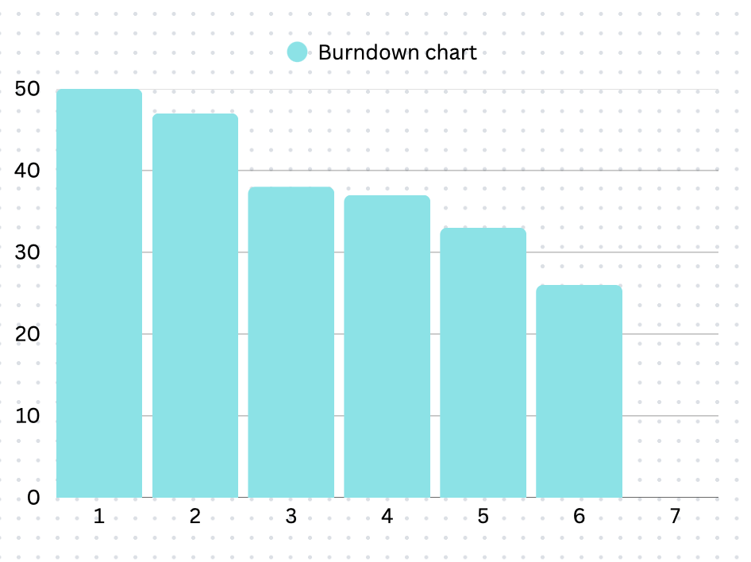
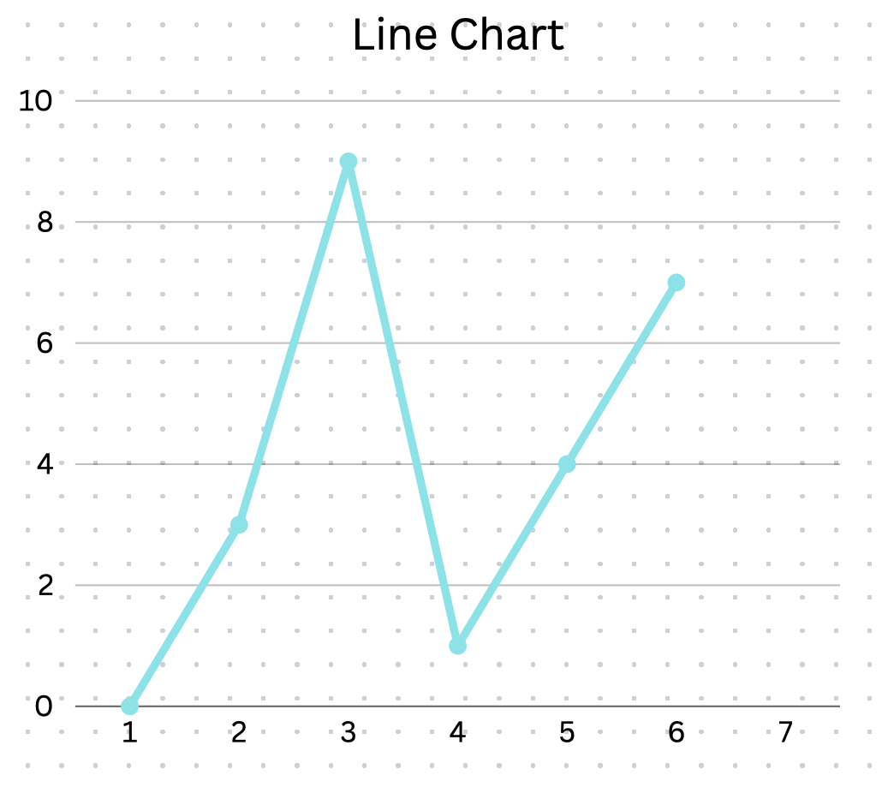
Feedback System for App Improvement | 1 | DONE
Push Notification for Booking Reminder | 2
Emergency Cancellation Option | 3
Multilingual Support | 1 | DONE
Cleaner Verification Process | 4
Promotional Offers and Discount Codes | 2
Location-based Booking Suggestions | 2
 | 50

